Photos
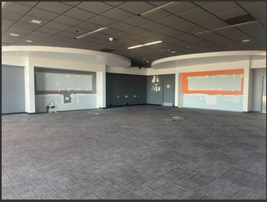
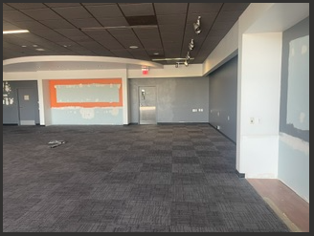
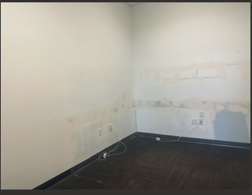
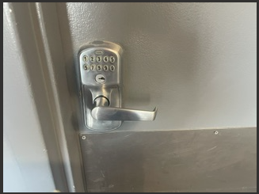
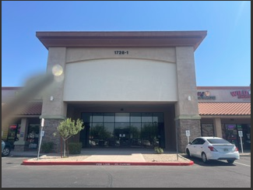
Executive Summary
Greenfield Gateway
July 2026 |  |  |  | NOTES

Manager: | Danielle Cebrero | Square Feet: | 64,702
Assistant Manager: | Jaie Benson | % Leased: | 95.56%
 |  | % Occupied:

Photos
AT&T

